Task 1 - Data Dictionary
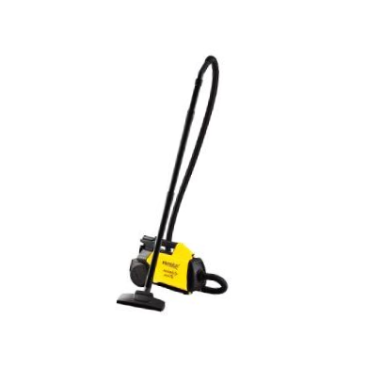
Coumn Name | Definition
Salesman_ID | Salesman IDs of 50 salesmen
Year | Year
Units_Sold | Number of units of the product sold by the salesman during the year
Unit_Price | Price charged by the salesman for per unit of the product sold during the year
Customer_connects_count | Number of visits/calls made by the salesman to prospective clients during the year
New_customer_count | Number of new clients (atleast one unit sold) acquired by the saleman during the year
Pipeline_Revenue | The revenue expected to be acquired in the next year based on customer commitments
New_customer_acquisition_target | Target for number of new clients (atleast one unit sold) acquired by the saleman during the year

Unit Cost for the product were as follows:
Year | Cost price
2012 | $100.00
2013 | $103.00
2014 | $110.00
2015 | $109.99
2016 | $111.90

Product | Vacuum Cleaner CLNR-3000

